Sheet 1
 |  | Test Case 37
 | 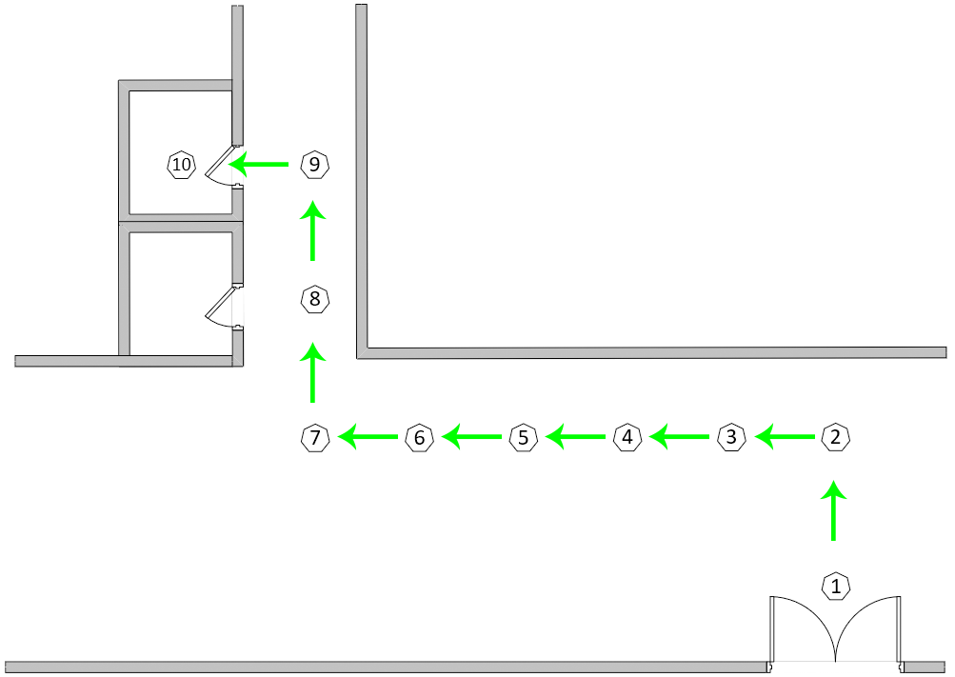
 |  | Route used for test case 37

Test Execution Date: 31/7/2018
Test Duration: 2 minutes 14 seconds
Pre-Conditions: User is not blindfolded. User to wait for instructions to be read finished before moving again.
Specifications: Beacon Distance: 3 meters Distance between beacon & ground: 0cm Compass Bearing: +- 20 Avg Moving Speed: 34 cm/s
Description: Navigation from beacon 1 which is the entrance of T1942 to beacon 10 which is the handicap washroom.
Steps | Test Steps | Expected Results | Actual Results | Status (Pass/Fail)
1 | User to launch the application. | The application will be launched successfully. | The application has been launched successfully. | Pass
2 | Detect current location automatically as Beacon 1. | A voice message will inform the user of his/her current location to be Beacon 1 automatically. The destination will also be prompted. | The voice message informed the user of the current location as Beacon 1 and prompted for a destination. | Pass
3 | Enter the destination to be beacon 10 | After entering the destination and tapping on "Start", a voice message will inform the user if he/she is facing the correct direction towards the next beacon. If the user is not facing the correct direction, the voice message will guide the user to the correct position. | After entering the destination and tapping on "Start", the voice message informed that the user is facing the correct direction when he is indeed facing the right direction. | Pass
4 | User starts from beacon 1 and wants to navigate to beacon 2. | A voice message will tell the user to walk straight from beacon 1 to 2 and also inform the user that beacon 2 is a turning point. The voice message guiding the user to face the correct direction should be in sync with the one being displayed. User will then reach beacon 2 successfully and the application will inform that he has reached beacon 2. | The voice message containing the step to go from beacon 1 to 2 was read out while also guiding the user to walk in the correct direction. Message read out was in sync with the instrcutions that is displayed. The user has successfully reached beacon 2 and the voice message has informed the user of it promptly. | Pass
5 | User navigates from beacon 2 to beacon 3. | A voice message will tell the user to turn left and walk straight from beacon 2 to beacon 3. The voice message guiding the user to face the correct direction should be in sync with the one being displayed. User will reach beacon 3 successfully and the application will inform that he has reached beacon 3. | The voice message containing the step to go from beacon 2 to 3 was read out while also guiding the user to walk in the correct direction. Message read out was in sync with the instrcutions that is displayed. The user has successfully reached beacon 3 and the voice message has informed the user of it promptly. | Pass
6 | User navigates from beacon 3 to beacon 4. | A voice message will tell the user to walk straight from beacon 3 to beacon 4. The voice message guiding the user to face the correct direction should be in sync with the one being displayed. User will reach beacon 4 successfully and the application will inform that he has reached beacon 4. | The voice message containing the step to go from beacon 3 to 4 was read out while also guiding the user to walk in the correct direction. Message read out was in sync with the instrcutions that is displayed. The user has successfully reached beacon 4 and the voice message has informed the user of it promptly. | Pass
7 | User navigates from beacon 4 to beacon 5. | A voice message will tell the user to walk straight from beacon 4 to beacon 5. The voice message guiding the user to face the correct direction should be in sync with the one being displayed. User will reach beacon 6 successfully and the application will inform that he has reached beacon 6. | The voice message containing the step to go from beacon 4 to 5 was read out while also guiding the user to walk in the correct direction. Message read out was in sync with the instrcutions that is displayed. The user has successfully reached beacon 5 and the voice message has informed the user of it promptly. | Pass
8 | User navigates from beacon 5 to beacon 6. | A voice message will tell the user to walk straight from beacon 5 to beacon 6. The voice message guiding the user to face the correct direction should be in sync with the one being displayed. User will reach beacon 6 successfully and the application will inform that he has reached beacon 6. | The voice message containing the step to go from beacon 5 to 6 was read out while also guiding the user to walk in the correct direction. Message read out was in sync with the instrcutions that is displayed. The user has successfully reached beacon 6 and the voice message has informed the user of it promptly. | Pass
9 | User navigates from beacon 6 to beacon 7. | A voice message will tell the user to walk straight from beacon 6 to 7 and also inform the user that beacon 7 is a turning point. The voice message guiding the user to face the correct direction should be in sync with the one being displayed. User will then reach beacon 7 successfully and the application will inform that he has reached beacon 7. | The voice message containing the step to go from beacon 6 to 7 was read out while also guiding the user to walk in the correct direction. Message read out was in sync with the instrcutions that is displayed. The user has successfully reached beacon 7 and the voice message has informed the user of it promptly. | Pass
10 | User navigates from beacon 7 to beacon 8. | A voice message will tell the user to turn right and walk straight from beacon 7 to beacon 8. The voice message guiding the user to face the correct direction should be in sync with the one being displayed. User will reach beacon 8 successfully and the application will inform that he has reached beacon 8. | The voice message containing the step to go from beacon 7 to 8 was read out while also guiding the user to walk in the correct direction. Message read out was in sync with the instrcutions that is displayed. The user has successfully reached beacon 8 and the voice message has informed the user of it promptly. | Pass
11 | User navigates from beacon 8 to beacon 9. | A voice message will tell the user to walk straight from beacon 8 to 9 and also inform the user that beacon 9 is a turning point. The voice message guiding the user to face the correct direction should be in sync with the one being displayed. User will then reach beacon 9 successfully and the application will inform that he has reached beacon 9. | The voice message containing the step to go from beacon 8 to 9 was read out while also guiding the user to walk in the correct direction. Message read out was in sync with the instrcutions that is displayed. The user has successfully reached beacon 9 and the voice message has informed the user of it promptly. | Pass
12 | User navigates from beacon 9 to beacon 10. | A voice message will tell the user to turn left and walk straight from beacon 9 to beacon 10. The voice message guiding the user to face the correct direction should be in sync with the one being displayed. User will reach beacon 10 successfully and the application will inform that he has reached his/her destination. | The voice message containing the step to go from beacon 9 to 10 was read out while also guiding the user to walk in the correct direction. Message read out was in sync with the instrcutions that is displayed. The user has successfully reached beacon 10 and the voice message has informed the user that he has reached the destination promptly. | Pass

Sheet 21
 |  | Test Case 57
 | 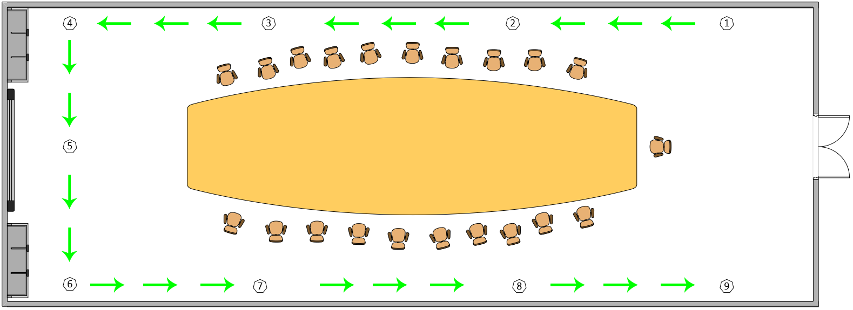
 |  | Route used for test case 57

Test Execution Date: 2/8/2018
Test Duration: 1 minutes 54 seconds
Pre-Conditions: User is not blindfolded. User to wait for instructions to be read finished before moving again.
Specifications: Beacon Distance: 3 meters Distance between beacon & ground: 0cm Compass Bearing: +- 20 Avg Moving Speed: 34 cm/s
Description: Navigation from beacon 1 to beacon 9.
Steps | Test Steps | Expected Results | Actual Results | Status (Pass/Fail)
1 | User to launch the application. | The application will be launched successfully. | The application has been launched successfully. | Pass
2 | Detect current location automatically as Beacon 1. | A voice message will inform the user of his/her current location to be Beacon 1 automatically. The destination will also be prompted. | The voice message informed the user of the current location as Beacon 1 and prompted for a destination. | Pass
3 | Enter the destination to be beacon 9 | After entering the destination and tapping on "Start", a voice message will inform the user if he/she is facing the correct direction towards the next beacon. If the user is not facing the correct direction, the voice message will guide the user to the correct position. | After entering the destination and tapping on "Start", the voice message informed that the user is facing the correct direction when he is indeed facing the right direction. | Pass
4 | User starts from beacon 1 and wants to navigate to beacon 2. | A voice message will tell the user to walk straight from beacon 1 to 2. The voice message guiding the user to face the correct direction should be in sync with the one being displayed. User will then reach beacon 2 successfully and the application will inform that he has reached beacon 2. | The voice message containing the step to go from beacon 1 to 2 was read out while also guiding the user to walk in the correct direction. Message read out was in sync with the instrcutions that is displayed. The user has successfully reached beacon 2 and the voice message has informed the user of it promptly. | Pass
5 | User navigates from beacon 2 to beacon 3. | A voice message will tell the user to walk straight from beacon 2 to beacon 3. The voice message guiding the user to face the correct direction should be in sync with the one being displayed. User will reach beacon 3 successfully and the application will inform that he has reached beacon 3. | The voice message containing the step to go from beacon 2 to 3 was read out while also guiding the user to walk in the correct direction. Message read out was in sync with the instrcutions that is displayed. The user has successfully reached beacon 3 and the voice message has informed the user of it promptly. | Pass
6 | User navigates from beacon 3 to beacon 4. | A voice message will tell the user to walk straight from beacon 3 to 4 and also inform the user that beacon 4 is a turning point. The voice message guiding the user to face the correct direction should be in sync with the one being displayed. User will reach beacon 4 successfully and the application will inform that he has reached beacon 4. | The voice message containing the step to go from beacon 3 to 4 was read out while also guiding the user to walk in the correct direction. Message read out was in sync with the instrcutions that is displayed. The user has successfully reached beacon 4 and the voice message has informed the user of it promptly. | Pass
7 | User navigates from beacon 4 to beacon 5. | A voice message will tell the user to turn left and walk straight from beacon 4 to beacon 5. The voice message guiding the user to face the correct direction should be in sync with the one being displayed. User will reach beacon 5 successfully and the application will inform that he has reached beacon 5. | The voice message containing the step to go from beacon 4 to 5 was read out while also guiding the user to walk in the correct direction. Message read out was in sync with the instrcutions that is displayed. The user has successfully reached beacon 5 and the voice message has informed the user of it promptly. | Pass
8 | User navigates from beacon 5 to beacon 6. | A voice message will tell the user to walk straight from beacon 5 to 6 and also inform the user that beacon 6 is a turning point. The voice message guiding the user to face the correct direction should be in sync with the one being displayed. User will reach beacon 6 successfully and the application will inform that he has reached beacon 6. | The voice message containing the step to go from beacon 5 to 6 was read out while also guiding the user to walk in the correct direction. Message read out was in sync with the instrcutions that is displayed. The user has successfully reached beacon 6 and the voice message has informed the user of it promptly. | Pass
9 | User navigates from beacon 6 to beacon 7. | A voice message will tell the user to turn left and walk straight from beacon 6 to beacon 7. The voice message guiding the user to face the correct direction should be in sync with the one being displayed. User will reach beacon 7 successfully and the application will inform that he has reached beacon 7. | The voice message containing the step to go from beacon 6 to 7 was read out while also guiding the user to walk in the correct direction. Message read out was in sync with the instrcutions that is displayed. The user has successfully reached beacon 7 and the voice message has informed the user of it promptly. | Pass
10 | User navigates from beacon 7 to beacon 8. | A voice message will tell the user to walk straight from beacon 7 to beacon 8. The voice message guiding the user to face the correct direction should be in sync with the one being displayed. User will reach beacon 8 successfully and the application will inform that he has reached beacon 8. | The voice message containing the step to go from beacon 7 to 8 was read out while also guiding the user to walk in the correct direction. Message read out was in sync with the instrcutions that is displayed. The user has successfully reached beacon 8 and the voice message has informed the user of it promptly. | Pass
11 | User navigates from beacon 8 to beacon 9. | A voice message will tell the user to walk straight from beacon 8 to beacon 9. The voice message guiding the user to face the correct direction should be in sync with the one being displayed. User will reach beacon 9 successfully and the application will inform that he has reached the destination. | The voice message containing the step to go from beacon 8 to 9 was read out while also guiding the user to walk in the correct direction. Message read out was in sync with the instrcutions that is displayed. The user has successfully reached beacon 9 and the voice message has informed the user that he has reached the destination promptly. | Pass

Sheet 26
 |  | Test Case 62
 | 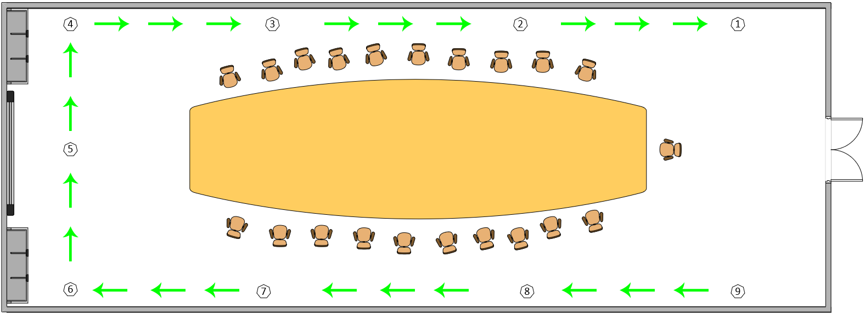
 |  | Route used for test case 62

Test Execution Date: 2/8/2018
Test Duration: 2 minutes 27 seconds
Pre-Conditions: User is not blindfolded. User to wait for instructions to be read finished before moving again.
Specifications: Beacon Distance: 3 meters Distance between beacon & ground: 0cm Compass Bearing: +- 20 Avg Moving Speed: 36 cm/s
Description: Navigation from beacon 9 to beacon 1.
Steps | Test Steps | Expected Results | Actual Results | Status (Pass/Fail)
1 | User to launch the application. | The application will be launched successfully. | The application has been launched successfully. | Pass
2 | Detect current location automatically as Beacon 9. | A voice message will inform the user of his/her current location to be Beacon 9 automatically. The destination will also be prompted. | The voice message informed the user of the current location as Beacon 9 and prompted for a destination. | Pass
3 | Enter the destination to be beacon 1 | After entering the destination and tapping on "Start", a voice message will inform the user if he/she is facing the correct direction towards the next beacon. If the user is not facing the correct direction, the voice message will guide the user to the correct position. | After entering the destination and tapping on "Start", the voice message informed that the user is facing the correct direction when he is indeed facing the right direction. | Pass
4 | User starts from beacon 9 and wants to navigate to beacon 8. | A voice message will tell the user to walk straight from beacon 9 to 8. The voice message guiding the user to face the correct direction should be in sync with the one being displayed. User will then reach beacon 8 successfully and the application will inform that he has reached beacon 8. | The voice message containing the step to go from beacon 9 to 8 was read out while also guiding the user to walk in the correct direction. Message read out was in sync with the instrcutions that is displayed. The user has successfully reached beacon 8 and the voice message has informed the user of it promptly. | Pass
5 | User navigates from beacon 8 to beacon 7. | A voice message will tell the user to walk straight from beacon 8 to beacon 7. The voice message guiding the user to face the correct direction should be in sync with the one being displayed. User will reach beacon 7 successfully and the application will inform that he has reached beacon 7. | The voice message containing the step to go from beacon 8 to 7 was read out while also guiding the user to walk in the correct direction. Message read out was in sync with the instrcutions that is displayed. The user has successfully reached beacon 7 and the voice message has informed the user of it promptly. | Pass
6 | User navigates from beacon 7 to beacon 6. | A voice message will tell the user to walk straight from beacon 7 to 6 and also inform the user that beacon 6 is a turning point. The voice message guiding the user to face the correct direction should be in sync with the one being displayed. User will reach beacon 6 successfully and the application will inform that he has reached beacon 6. | The voice message containing the step to go from beacon 7 to 6 was read out while also guiding the user to walk in the correct direction. Message read out was in sync with the instrcutions that is displayed. The user has successfully reached beacon 6 and the voice message has informed the user of it promptly. | Pass
7 | User navigates from beacon 6 to beacon 5. | A voice message will tell the user to turn right and walk straight from beacon 6 to beacon 5. The voice message guiding the user to face the correct direction should be in sync with the one being displayed. User will reach beacon 5 successfully and the application will inform that he has reached beacon 5. | The voice message containing the step to go from beacon 6 to 5 was read out while also guiding the user to walk in the correct direction. Message read out was in sync with the instrcutions that is displayed. The user has successfully reached beacon 5 and the voice message has informed the user of it promptly. | Pass
8 | User navigates from beacon 5 to beacon 4. | A voice message will tell the user to walk straight from beacon 5 to 4 and also inform the user that beacon 4 is a turning point. The voice message guiding the user to face the correct direction should be in sync with the one being displayed. User will reach beacon 4 successfully and the application will inform that he has reached beacon 4. | The voice message containing the step to go from beacon 5 to 4 was not read out and it detected that the user is at beacon 4 already. The user did not navigate to beacon 4 successfully. | Fail
9 | User navigates from beacon 4 to beacon 3. | A voice message will tell the user to turn right and walk straight from beacon 4 to beacon 3. The voice message guiding the user to face the correct direction should be in sync with the one being displayed. User will reach beacon 3 successfully and the application will inform that he has reached beacon 3. | As the application has detected the user is at beacon 4 early, the instruction to turn right was read out early as well. The user did not reach beacon 3 successfully as he turned right earlier than expected. | Fail
10 | User navigates from beacon 3 to beacon 2. | A voice message will tell the user to walk straight from beacon 3 to beacon 2. The voice message guiding the user to face the correct direction should be in sync with the one being displayed. User will reach beacon 2 successfully and the application will inform that he has reached beacon 2. | The voice message containing the step to go from beacon 3 to 2 was read out while also guiding the user to walk in the correct direction. Message read out was in sync with the instrcutions that is displayed. The user has successfully reached beacon 2 and the voice message has informed the user of it promptly. | Pass
11 | User navigates from beacon 2 to beacon 1. | A voice message will tell the user to walk straight from beacon 2 to beacon 1. The voice message guiding the user to face the correct direction should be in sync with the one being displayed. User will reach beacon 1 successfully and the application will inform that he has reached the destination. | The voice message containing the step to go from beacon 2 to 1 was read out while also guiding the user to walk in the correct direction. Message read out was in sync with the instrcutions that is displayed. The user has successfully reached beacon 1 and the voice message has informed the user that he has reached the destination promptly. | Pass

